Sheet1
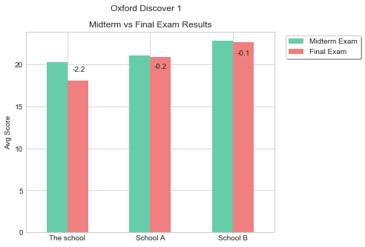
Other Schools | Midterm Exam | Final Exam
Compared to School A | -0.8 | -2.8
Compared to School B | -2.5 | -4.5

